SP2-MIX DESIGN DATA
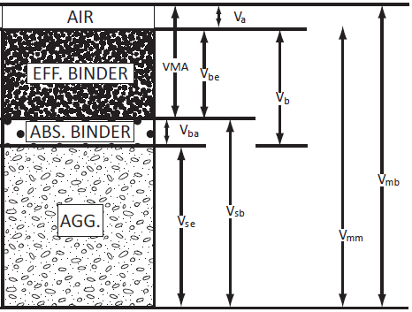
 | Summary of Mix Design Information |  |  |  |  |  |  |  |  | Gmm | 2.562 |  | Compaction curve
 |  |  |  |  |  |  |  |  |  | Gsb | 2.701
 |  |  |  |  |  |  |  |  |  | Pb | 4.7
 | Design | Design | Design | Design |  |  |  |  |  | Gmb | Gmb | Va | VMA | Vs | Vb
 |  |  |  |  |  |  |  |  | 5 | 85.7 | 2.196 | 14.3 | 22.530944021 | 77.469055979 | 8.2309440207
Pb | 4.2 | 4.7 | 5.2 | 5.7 |  |  |  |  | 8 | 87.1 | 2.232 | 12.9 | 21.265405183 | 78.734594817 | 8.3654051833
Va | 5.5 | 3.9 | 3.0 | 1.9 | 5.0 | 5.0 | 3.0 | 3.0 | 10 | 88 | 2.255 | 12 | 20.451844502 | 79.548155498 | 8.451844502
VMA | 13.4 | 13.2 | 13.4 | 13.6 | 17.0 | 13.0 | 13.0 | 17.0 | 15 | 89.4 | 2.290 | 10.6 | 19.186305665 | 80.813694335 | 8.5863056646
VFB | 59.0 | 70.5 | 77.6 | 86.0 | 65.0 | 65.0 | 75.0 | 75.0 | 20 | 90.3 | 2.313 | 9.7 | 18.372744983 | 81.627255017 | 8.6727449833
Vbe | 7.9 | 9.3 | 10.4 | 11.7 | 11.1 | 8.5 | 9.8 | 12.8 | 30 | 91.8 | 2.352 | 8.2 | 17.016810515 | 82.983189485 | 8.8168105146
Vsb | 86.6 | 86.8 | 86.6 | 86.4 | 83.0 | 87.0 | 87.0 | 83.0 | 40 | 92.8 | 2.378 | 7.2 | 16.112854202 | 83.887145798 | 8.9128542021
 |  |  |  |  |  |  |  |  | 50 | 93.5 | 2.395 | 6.5 | 15.480084783 | 84.519915217 | 8.9800847834
 |  |  |  |  |  |  |  |  | 60 | 94.2 | 2.413 | 5.8 | 14.847315365 | 85.152684635 | 9.0473153647
 |  |  |  |  |  |  |  |  | 80 | 95.1 | 2.436 | 4.9 | 14.033754683 | 85.966245317 | 9.1337546835
 |  |  |  |  |  |  |  |  | 100 | 95.8 | 2.454 | 4.2 | 13.400985265 | 86.599014735 | 9.2009852647
 |  |  |  |  |  |  |  |  | 109 | 96.1 | 2.462 | 3.9 | 13.129798371 | 86.870201629 | 9.229798371
 |  |  |  |  |  |  |  |  | 125 | 96.5 | 2.472 | 3.5 | 12.768215846 | 87.231784154 | 9.268215846
 |  |  |  |  |  |  |  |  | 150 | 97 | 2.485 | 3 | 12.31623769 | 87.68376231 | 9.3162376897
 |  |  |  |  |  |  |  |  | 174 | 97.5 | 2.498 | 2.5 | 11.864259534 | 88.135740466 | 9.3642595335

 | Gb
 | Gmm | 2.564
 | Gsb | 2.777
 | Gse

 | Pb | 5.3
 | Ps | 94.7
 | Pba
 | Pbe
 | Voids | 4.10
 | Gmb | 2.4065
 | VMA | 15.30
 | VFA | 73.50
 | Vb | 11.20
 | Vs | 73.20

Volumetric Chart
8 | 92 | 7 | 92 | 6 | 92 | 6 | 91 | 6 | 90 | 6 | 89 | 6 | 88 | 6 | 87 | 6 | 86 | 6 | 85 | 6 | 84 | 6 | 83
22 | 78 | 21 | 78 | 20 | 78 | 20 | 77 | 20 | 76 | 20 | 75 | 19 | 75 | 18 | 75 | 17 | 75 | 16 | 75 | 15 | 75 | 14 | 75

MS2-MIX DESIGN DATA
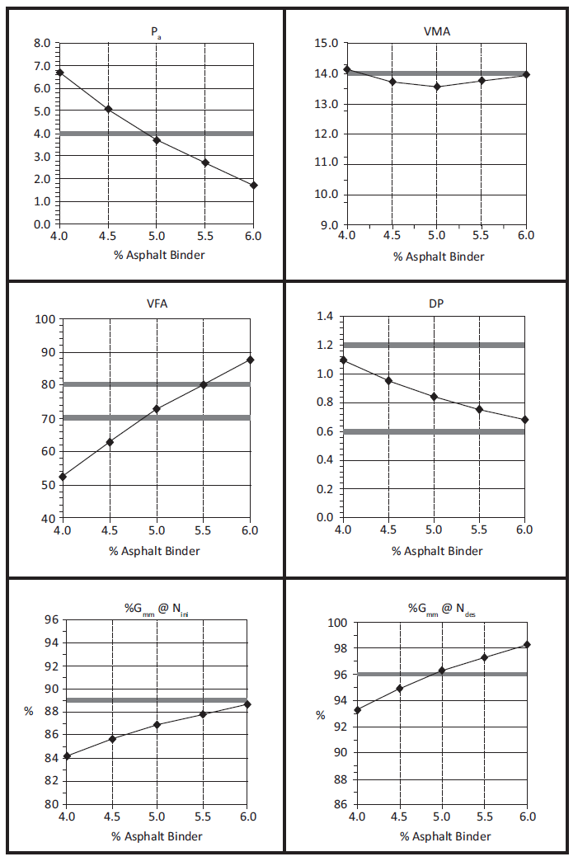
 | Page 75 - MS2 - 2014

 | Pb | Pa | VFA | VMA | Vbe | Vsb
 | 4 | 6.7 | 52.5 | 14.1 | 7.4 | 85.9
 | 4.5 | 5 | 62.5 | 13.3 | 8.3 | 86.7
 | 5 | 3.7 | 72 | 13.2 | 9.5 | 86.8
 | 5.5 | 2.7 | 80 | 13.5 | 10.8 | 86.5
 | 6 | 1.7 | 88 | 14.2 | 12.5 | 85.8

Va | 5.0 | 5.0 | 3.0 | 3.0
VMA | 18.0 | 14.0 | 14.0 | 18.0
VFB | 70.0 | 70.0 | 80.0 | 80.0
Vbe | 12.6 | 9.8 | 11.2 | 14.4
Vsb | 82.0 | 86.0 | 86.0 | 82.0

Volumetric Chart (2)
8 | 92 | 7 | 92 | 6 | 92 | 6 | 91 | 6 | 90 | 6 | 89 | 6 | 88 | 6 | 87 | 6 | 86 | 6 | 85 | 6 | 84 | 6 | 83
22 | 78 | 21 | 78 | 20 | 78 | 20 | 77 | 20 | 76 | 20 | 75 | 19 | 75 | 18 | 75 | 17 | 75 | 16 | 75 | 15 | 75 | 14 | 75

